工作表1
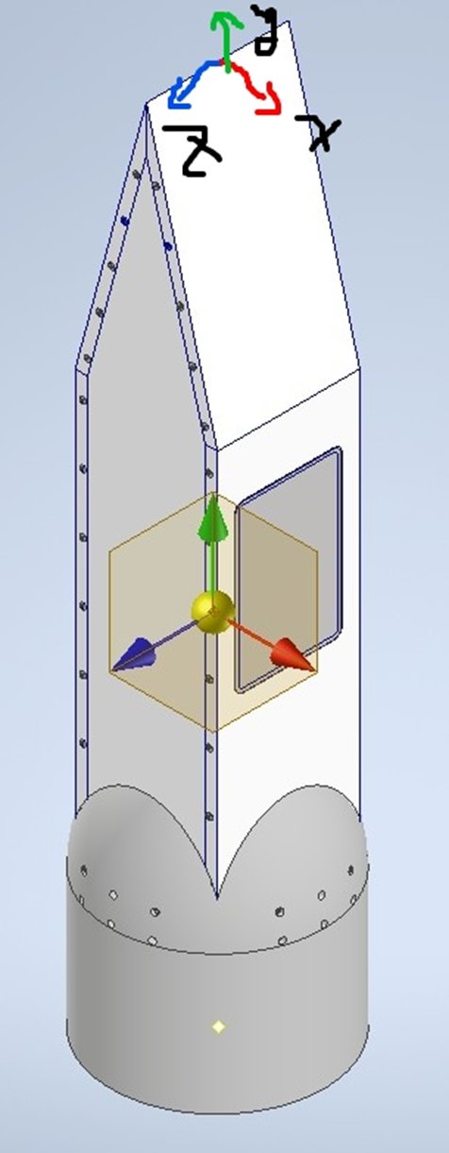
 | Payload | Control&Avionics | Recovery | N2O | Fuel | Tail
Mass (kg) | 15.58
CG x (mm) | -0.912
CG y (mm) | -543.08
CG z (mm) | 4.446
Ixx (kg mm^2) | 1176913
Ixy (kg mm^2) | -383.374
Ixz (kg mm^2) | -46.754
Iyy (kg mm^2) | 138861.1
Iyz (kg mm^2) | -6918.36
Izz (kg mm^2) | 1160217

